tuning & parallelization
Copyright Sandra Wienke, RWTH Aachen University, 2016

Selection | Bloom Level | Question | Responses
X | 2 | 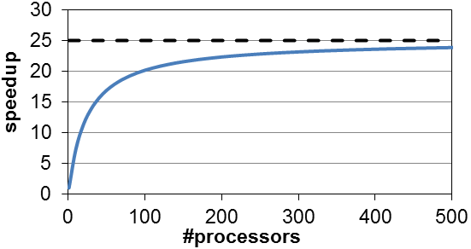 The following figure represents the speedup Sp behavior of a parallel program applying Amdahl's Law. Read the needed values from the figure and compute the parallel portion p of the program. | A | B | C
X | 4 | We can derive an upper performance limit for parallel applications applying Amdahl’s Law. If we cannot get more than this speedup with an infinite number of cores, why do we have big HPC systems with lots of parallel hardware at all? | A | B | C
X | 3 | Assume a computer architecture with three levels of caches and main memory: L1 16KB, L2 64KB, L3 8MB, main memory 4GB. Draw schematically the memory bandwidth of this architecture as function of the data size (double-precision elements). Mark the different cache levels/ main memory in your figure. | A | B | C
X | 3 | Algorithms theory allows us to place an upper bound on the execution time of an abstracted algorithm on an abstract machine. How do you put an upper bound on performance of a specific, instantiated algorithm running on an actual machine? Explain this by giving a small code example on a self-chosen machine. | A | B | C
X | 3 | Apply the unroll technique to the following code to enable vectorization. The code uses arrays with a size of N. Use an unroll factor of 3 and assume that N is always divisible by 3 without remainder. Assume that there is no pointer aliasing. #define N // with a big number that is divisible by 3 /* .. */ double r[N]; double q[N]; /* .. */ for (int i=0; i<N; ++i) { q[i] = r[i] + i; } | A | B | C
X | 5 | A matrix multiplication is defined as with , , . A naive serial implementation for CPUs does not deliver a good performance. Write a blocking algorithm for the matrix multiplication to increase the performance on cache-based systems. Use a blocking size of bsize x bsize. Assume that the matrix sizes are an integral multiple of the blocking size. | A | B | C
 | 2 | Name the used unroll factor from the loop given below. How many loads and stores can be saved in the code below compared to the loop nest without unrolling? Assume that there is no pointer aliasing. #define N // with a N a number that is divisible by 2 double c[N], b[N]; double a[N*N]; // init a and b for(i=0; i < N; i+=2) { for(j=0; j < N; ++j) { c[i] = c[i] + a[i][j]*b[j]; c[i+1] = c[i+1] + a[i+1][j]*b[j]; } } | A | B | C
 | 1 | Visualize schematically a 2-socket multi-core NUMA computer. The sketch should contain: multiple cores, L1/L2/L3 caches, main memory and the data links between caches and main memory. | A | B | C
 | 4 | Given is the data structure mydata in a C program. If the data access pattern is given as below, an efficient vectorization with 128-bit vector registers will be applied by the compiler. True or false? Justify your answer. struct mydata { float myFloat; double myDouble; }; struct mydata *array; // of size n //… // data access pattern: for (int i=0; i<n; i++) { x += array[i].myFloat + array[i].myDouble; } | A | B | C
 | 2 | From an experiment, we know that for a given problem an application runs for 18 minutes with one thread and 4 minutes with 8 threads. What speedup does the parallel execution reach? What parallel efficiency does the parallel execution achieve? Based on Amdahl's law, how long does the application run in parallel and how long in serial? | A | B | C

OpenACC
Copyright Sandra Wienke, RWTH Aachen University, 2016

Selection | Bloom Level | Question | Responses
X | 3 | Given is the code below. Port this code to a GPU (that is attached to a host CPU by PCI express) using either OpenACC or pseudo code. Parallelize the code for the GPU. However, leave the array initialization on the host CPU. Your solution should optimize the data transfer as much as possible to get full points (without modifying the given algorithm). For data transfers, state explicitly all scalars and arrays and their transferred size. int i; const int N; // big value double tmp = 0.0; double a[N], b[N], c[N], d[N]; // initialization stays on host for(i=0; i<N; ++i) { a[i] = i + 2.0; b[i] = i * 0.5; c[i] = 0.0; d[i] = i * (-1); } // computation for(i=0; i<N; ++i) { b[i] += a[i]; tmp = a[i] + b[i]; c[i] = d[i] + tmp*tmp; } // a, b, c, d are printed here on the host CPU // tmp is not needed anymore /* .. */ | A | B | C
X | 2 | The following code runs on a GPU with many threads that are distributed across the whole GPU hardware. If there is a single output, denote this output. If there are several possible outputs, give two different possible outputs. int main(int argc, char* argv[]) { int i; int A[3]; // init A with zeros #pragma acc parallel copy(A[0:3]) { for (i=0; i<3; i++) { A[i]++; } } printf("%d %d %d\n", A[0], A[1], A[2]); } | A | B | C
X | 2 | The following code runs on a GPU with many threads that are distributed across the whole GPU hardware. If there is a single output, denote this output. If there are several possible outputs, give two different possible outputs. int main(int argc, char* argv[]) { int i; int A[3]; // init A with zeros #pragma acc kernels copy(A[0:3]) { for (i=0; i<3; i++) { A[i]++; } } printf("%d %d %d\n", A[0], A[1], A[2]); } | A | B | C
X | 4 | Add a launch configuration to the OpenACC code given below that aims at the best performance on a GPU that uses 15 multiprocessors with each 64 double-precision units per multiprocessor. Justify your choices. Assume that data A is correctly transferred to and from the GPU. double A[32*1024]; #pragma acc parallel #pragma acc loop gang for (int i=0; i<32; i++) { #pragma acc loop vector for (int j=0; j<1024) { A[i*1024+j] = i*j; } } | A | B | C
X | 6 | Colors are defined by RGB (red-green-blue) values that are integers between 0 and 255. One Color implementation is given by the struct array below. Assume that we have 100 colors from which we modify the red component. The code below is running on a GPU with many threads. Comment on the correctness and performance of the code. If the code delivers unwanted results or its performance is improvable, give reasons for the behavior and how to fix or improve it. struct { int rgb[3]; } *Color; // size 100 /**/ #pragma acc data copy(Color[0:100]) { #pragma acc parallel loop for (int i=0; i<100; i++) { Color[i].rgb[0]*= 0.5; } } | A | B | C
X | 2 | The following OpenACC code is compiled in a way that CUDA Unified memory (managed memory) is enabled. What is the output of the following code running on a GPU with many threads. #pragma acc routine gang void foo(double* A, double* B, int n) { #pragma acc loop for (int i=0; i<n; ++i) { A[i] = B[i] + i; } } int main() { const int n=1024; double *A = (double*) malloc(n*sizeof(double)); double *B = (double*) malloc(n*sizeof(double)); // init B[i] = 0.5*i for i=0…n-1 #pragma acc parallel foo(A, B, n); // print A[5] return 0; } | A | B | C
X | 2 | Given is a C++ class MyClass and the code below that runs on a GPU with many threads. What is the output of a.data[0] to a.data[9] and b.data[0] to b.data[9] at end of the main function? class MyClass { int length; double* data; public: MyClass(int len) { length = len; data = new double[length]; #pragma acc enter data copyin(this) #pragma acc enter data create(data[0:length]) } ~MyClass() { #pragma acc exit data delete(data[0:length],this) delete [] data; } void init() { #pragma acc parallel loop for (int i=0; i<length; i++) { data[i] = i; } } void updateHost() { #pragma acc update self(data[0:length]) } #pragma acc routine seq void setData(int i, double dat) { data[i] = dat; } #pragma acc routine seq double getData(int i) { return data[i]; } }; int main() { int n=10; MyClass a(n), b(n); a.init(); b.init(); #pragma acc parallel loop for (int i=0; i< n; ++i) { double tmp = b.getData(i); a.setData(i, tmp + i); } a.updateHost(); // What is the content of a.data0-a.data9 and b.data0-b.data9 at this point? return 0; } | A | B | C
X | 4 | Given is the code below. Kernel B and kernel D could run on the GPU at the same time: True or false? Justify your answer. #pragma acc parallel loop async(1) // kernel A #pragma acc parallel loop async(2) // kernel B #pragma acc wait(1,2) async(3) #pragma acc parallel loop async(3) // kernel C #pragma acc parallel loop async(4) wait(3) // kernel D #pragma acc parallel loop async(5) wait(3) // kernel E #pragma acc wait(1) // kernel F | A | B | C
X | 6 | Given is the code below. Its kernels run on a GPU with many threads. Comment on the correctness and performance of the code. Do not include data transfer times into your performance considerations. Do not consider any algorithmic changes. #pragma acc kernels async(1) for (int i=0; i<N; i++) { A[i] = i*x[i]; } #pragma acc kernels async(1) for (int j=0; j<M; j++) { B[j] = (j/2) * y[j]; } #pragma acc wait for (int k=0; k<L; k++) { C[k] = z[k]; } // do stuff with a, b, c on host | A | B | C
X | 6 | The code given below illustrates a naive matrix multiplication with , , . Comment on the correctness and performance of the code. If the code delivers incorrect results or its performance is improvable, give reasons for the behavior and how to fix or improve it. Do not consider an algorithmic improvement. #pragma acc routine seq void matmul (double* restrict A, double* restrict B, double* restrict C, int N, int M, int P) { #pragma acc loop seq for (int i=0; i<N; i++) { #pragma acc loop seq for (int j=0; j<P; j++) { double sum = 0.0; #pragma acc loop vector for (int k=0; k<M ; k++) { C[i*P+j] += A[i*M+k] * B[k*P+j]; } } } } int main() { int N=1000; int M=20; int P=2000; double *restrict A = (double*) malloc(N*M*sizeof(double)); double *restrict B = (double*) malloc(M*P*sizeof(double)); double *restrict C = (double*) malloc(N*P*sizeof(double)); // init A and B on host // init C on host with zeros #pragma acc data copyin(A[0:N*M], B[0:M*P], C[0:N*P]) { #pragma acc parallel num_gangs(M) { matmul(A, B, C, N, M, P)} } } // work with result matrix C return 0; } | A | B | C
 | 5 | 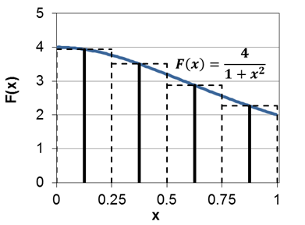 Write a program that computes Pi using numerical integration: . The numeric integration uses partial sums for computing over the integral from 0 to 1 using the midpoint (or rectangle) rule (see the figure below). This interval from 0 to 1 is divided by a predetermined number of iterations (=nsteps). Parallelize your program with OpenACC to run correctly on a whole GPU. State explicitly which variables must be transferred to/from the GPU (including the size). Further, state explicitly the loop schedule and the launch configuration that you think aims for the best performance. | A | B | C
 | 3 | Given are three (correct) kernels that shall run on a GPU with many threads. Use asynchronous OpenACC kernel calls to accelerate this code. Aim for the best performance. Ignore all data transfers and assume these are done correctly. Do not consider any algorithmic changes. // kernel A for (int i=0; i<N; i++) { A[i] = i*x[i]; } // kernel B for (int j=0; j<M; j++) { B[j] = (j/2) * y[j]; } // kernel C for (int k=0; k<N; k++) { C[k] = A[k]; } | A | B | C

CUDA
Copyright Sandra Wienke, RWTH Aachen University, 2016

Selection | Bloom Level | Question | Responses
 | 3 | Given is a vector subtraction with . Port vecSubtract into a correct CUDA kernel. void vecSubtract(int n, float *x, float *y) { for (int i=0; i<n; ++i) { y[i] = x[i] - y[i]; } } | A | B | C
 | 4 | The given code measures the time of a vector subtraction computation running on a GPU and also the time of the data transfer to and from the GPU. True or false? Justify your answer. #include <stdio.h> #include <stdlib.h> #include <sys/time.h> #include "cuda.h" // getWTime() returns current time in seconds // CUDA kernel vecSubract as written in the previous task. int main(int argc, char* argv[]) { double timeKernel, timeData; int n = 57344*4; float* h_x, *h_y; // Pointer to CPU memory h_x = (float*) malloc(n * sizeof(float)); h_y = (float*) malloc(n * sizeof(float)); // Initialize h_x and h_y float *d_x, *d_y; // Pointer to GPU memory cudaMalloc(&d_x, n* sizeof(float)); cudaMalloc(&d_y, n* sizeof(float)); timeData = getWTime(); cudaMemcpy(d_x, h_x, n * sizeof(float), cudaMemcpyHostToDevice); cudaMemcpy(d_y, h_y, n * sizeof(float), cudaMemcpyHostToDevice); timeData = getWTime() – timeData; // Variables threadsPerBlock and blocksPerGrid defined timeKernel = getWTime(); vecSubtract<<<blocksPerGrid, threadsPerBlock>>>(n, d_x, d_y); timeKernel = getWTime() - timeKernel; timeData += getWTime(); cudaMemcpy(h_y, d_y, n * sizeof(float), cudaMemcpyDeviceToHost); timeData = getWTime() - timeData; printf("Kernel time: %f s\n", timeKernel); printf("Data time: %f s\n", timeData); cudaFree(d_x); cudaFree(d_y); free(h_x); free(h_y); return 0; } | A | B | C
 | 2 | Given is a vector . The following CUDA kernel foo runs on a GPU and is called from the host code. Assume that all elements of A get initialized on the host with “-2”. Assume that A is transferred to and from the GPU correctly. If there is a single output for , denote this output. If there are several possible outputs for , give two different possible outputs. // kernel foo int id = threadIdx.x; if (id > 0){ A[id] = blockIdx.x; } else { A[id] = -1; } // kernel call from host code foo<<<5,2>>>(A); | A | B | C
 | 4 | Define a launch configuration for the CUDA code given below and the vecSubtract kernel written in one of the previous tasks. The launch configuration has to correctly work with the vecSubtract kernel for arbitrary n > 1000. Aim at the best performance on a GPU that uses 15 multiprocessors with each 64 double-precision units per multiprocessor. Justify your choices. Assume that data d_x and d_y are correctly transferred to and from the GPU. double *x = (double*) malloc(n * sizeof(double)); double *y = (double*) malloc(n * sizeof(double)); // allocate memory on GPU for x in d_x and y in d_y // TODO: Define blocksPerGrid and threadsPerBlock vecSubtract<<<blocksPerGrid, threadsPerBlock>>>(n, d_x, d_y); | A | B | C
 | 2 | The following code runs on a GPU with many threads that are distributed across the whole GPU hardware. Assume all arrays have size N and that the CUDA kernel simply does a copy from d_array to d_array_out. Is there a difference in the output h_array_out if cudaMallocHost is replaced by a regular malloc? If yes, name the difference. float *h_array, *h_array_out; float *d_array, *d_array_out; cudaMalloc((void**)&d_array, N*sizeof(float)); cudaMalloc((void**)&d_array_out, N*sizeof(float)); cudaMallocHost((void**)&h_array, N*sizeof(float)); cudaMallocHost((void**)&h_array_out, N*sizeof(float)); // init h_array[i] with -2 cudaMemcpy(d_array, h_array, N*sizeof(float), cudaMemcpyHostToDevice); // kernel call with arguments: N, d_array, d_array_out cudaMemcpy(h_array_out, d_array_out, N*sizeof(float), cudaMemcpyDeviceToHost); // output h_array_out[i] | A | B | C
 | 6 | Analyze the following CUDA code that implements the 2D stencil computation of a Jacobi solver. Given are the double-precision arrays where n and m are big integer values. Evaluate the general throughput of this code (without computing the exact numbers). Assume that the code runs on a GPU with many threads that are distributed across the whole GPU hardware. If the throughput performance is improvable, how would the optimization look like (explain the tuning concept) and why? // CUDA kernel void stencil(double* Anew, double* A, int n, int m) { int i = // compute global x-ID correctly int j = // compute global y-ID correctly if( i > 0 && i < n-1 && j > 0 && j < m-1) { Anew[j*n+i] = 0.25 * ( A[j * n + i+1] + A[j* n + i -1] + A[(j-1) * n + i] + A[(j+1)* n + i]); } } | A | B | C
 | 6 | Colors are defined by RGB (red-green-blue) values that are integers between 0 and 255. One Color implementation is given by the struct array below. Assume that we have 100 colors from which we modify the red component. The code below is running on a GPU with many threads. Comment on the correctness and performance of the code. If the code delivers unwanted results or its performance is improvable, give reasons for the behavior and how to fix or improve it. struct { int rgb[3]; } *Color; // size 100 // Copy Color array of size 100 to GPU // CUDA kernel modifies red component // int i is global iD // .. Color[i].rgb[0]*= 0.5; // .. // Copy Color array of size 100 back to CPU | A | B | C
 | 2 | The following CUDA code uses CUDA Unified memory (managed memory). What is the output of the following code running on a GPU with many threads? int main() { const int n=1024; double *A, *B; cudaMallocManaged(&A, n* sizeof(float)); cudaMallocManaged(&B, n* sizeof(float)); // init B[i] = 0.5*i for i=0…n-1 // Variables threadsPerBlock and blocksPerGrid defined // foo computes A[i] = B[i] + i for i=0..n-1 foo<<<blocksPerGrid, threadsPerBlock>>>(A, B, n); // print A[5] after kernel computation was completed return 0; } | A | B | C
 | 6 | Given is the code below. Its kernel runs on a GPU with many threads that supports Unified Memory Access (UVA). Comment on the correctness and performance of the code. Do not include data transfer times into your performance considerations. If the code delivers incorrect results or its performance is improvable, give reasons for the behavior and how to fix or improve it. // CUDA kernel void myKernel(double *x, double *y, double* z, int n) { int tid = // compute global ID correctly switch (tid % 4) { case 0: z[tid] = 2.5 * x[tid] * y[tid]; break; case 1: z[tid] = 3.5 * x[tid] * y[tid]; break; case 2: z[tid] = 4.5 * x[tid] * y[tid]; break; case 3: z[tid] = 5.5 * x[tid] * y[tid]; break; } } /**/ int n = // ? double *h_x, *h_y, *h_z, *d_x, *d_y, *d_z; h_x = (double*) malloc(n*sizeof(double)); h_y = (double*) malloc(n*sizeof(double)); h_z = (double*) malloc(n*sizeof(double)); cudaMalloc((void**)&d_x,n*sizeof(double)); cudaMalloc((void**)&d_y,n*sizeof(double)); cudaMalloc((void**)&d_z,n*sizeof(double)); // init h_x and h_y cudaMemcpy(d_x,h_x,n*sizeof(double),cudaMemcpyDefault); cudaMemcpy(d_y,h_y,n*sizeof(double),cudaMemcpyDefault); // Variables threadsPerBlock and blocksPerGrid defined myKernel<<<blocksPerGrid, threadsPerBlock>>>(d_x, d_y, d_z, n); cudaMemcpy(h_z,d_z,n*sizeof(double),cudaMemcpyDeviceToDevice); // print h_z | A | B | C
 | 3 | Given are three CUDA kernels as defined below where and . Launch these kernels as concurrent as possible on a GPU using CUDA code and CUDA streams. Aim for the best performance. Ignore all data transfers and assume these are done correctly. Do not consider any algorithmic changes. Use predefined variables blocksPerGrid and threadsPerBlock for the launch configuration whose values can be assumed to be optimal for these three kernels. * kernelA(int N, double* A, double* x): computes A[i] = i*x[i] * kernelB(int M, double* B, double* y): computes B[j] = (j/2) * y[j] * kernelC(int N, double* A, double* C): computes C[k] = A[k] | A | B | C
 | 1 | Assume we have one node with a host processor and an attached GPU. One CUDA kernel is running in stream 1 on this GPU. Name three typical applications of operations that can be overlapped, i.e. executed in parallel, with the GPU computations in stream 1. | A | B | C
Source of figure: Mark Harris: Optimizing Parallel Reduction in CUDA, 2007
 | 5 | 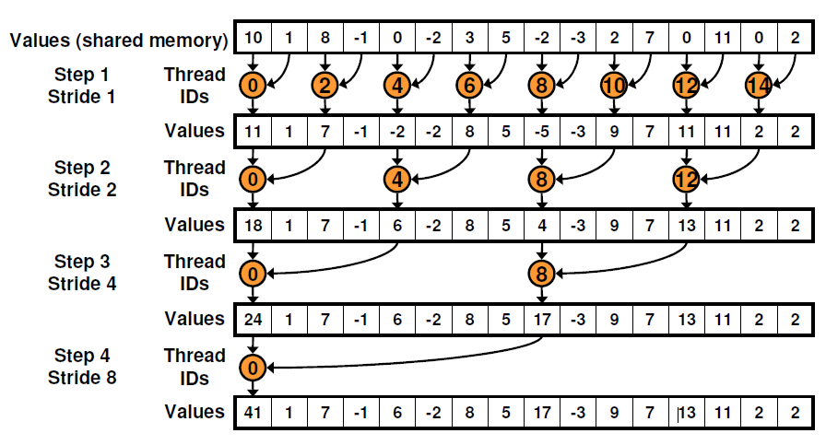 Write a CUDA kernel reduce(int *g_idata, int *g_odata) that reduces (sum reduction) the integer elements in a vector g_idata (size n) that resides in global GPU memory. Use interleaved addressing and the algorithm as given in the figure below. Reduce the elements per thread block. Write back one reduced element per thread block into array g_odata (size #blocks). | A | B | C

